Sheet1
 |  |  |  |  |  | BLUE-colored cells need approximate probabilities based on the scenario

 | Down by 2 with 30 seconds left (24 second shot clock) |  |  |  | NBA FT PCT | 0.73
 |  |  |  |  | Points |  | Make Prob | Cum. Prob | rand# | points if they don’t make 2 ft |  | If they make 1 free throw need to hit a 3 to tie |  |  |  |  | 100
 |  |  |  |  | Two | 2 | 0.3019 | 0.4894 |  |  |  | If they make both free throws then it’s an auto loss
 |  |  |  |  | Three | 3 | 0.1875 | 0.1875 | 0.10908824275 | 3 | simulated points
 |  |  | Make Prob | Cum. Prob | Zero | 0 | 0.5106 | 1
 | FOUL | make1 | 0.3942 | 0.4671 |  |  |  |  |  |  |  | 0 | final points if they don’t make2
Foul |  | make2 | 0.5329 | 1 |  |  |  |  |  | How many did they hit?
 |  | miss2 | 0.0729 | 0.0729 |  |  |  |  | 0.87908419635 | make2 | Simulated Other Teams score |  |  | tie | Winner

No Foul | NO FOUL | Make | 0.537
 |  | Miss | 0.463 |  |  |  |  |  |  | No Foul
 |  |  |  |  |  |  |  |  | 0.3793403657 | make | 0.87201408094 | 0 | How many points they made if missed shot

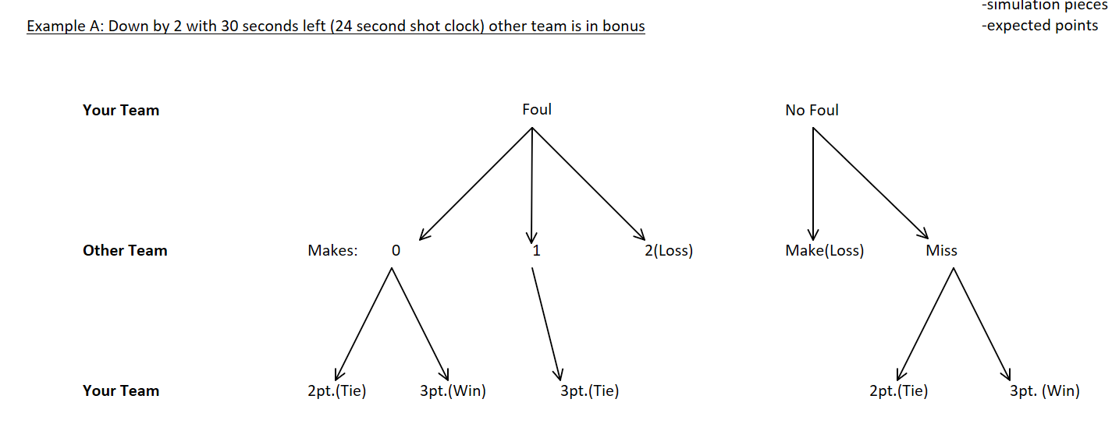
 |  |  |  |  |  |  |  |  |  | other team under 2 score (GOOD) we still have a chance
 |  |  |  |  |  |  |  |  |  | other team over 2 score (NOT GOOD WE LOST)
 | Choice!!! | Count |  |  |  |  |  |  |  |  |  |  |  |  |  | 73% chance a team scores going down the floor
 | Don’t Foul | 95 |  |  |  |  |  |  |  |  |  |  |  |  |  | 80% average FT percentage per shot
 | Foul | 173 |  |  |  |  |  |  |  |  |  |  |  |  |  | call a make without a foul 2.5 (avg of 2/3)
 | Tie | 732

 |  |  |  |  |  |  |  |  |  |  |  |  |  | a. http://www.espn.com/nba/seasonleaders
 |  |  |  |  |  |  |  |  |  |  |  |  |  | b. https://static.goxavier.com/custompages/Newsletters/MBB%20Newsletters/bbnewsletter15.pdf
 |  |  |  |  |  |  |  |  |  |  |  |  |  | c. https://hooptactics.net/premium/coach/closegames/coachfouling.php
 |  |  |  |  |  |  |  |  |  |  |  |  |  |  | d. http://harvardsportsanalysis.org/2017/01/analyzing-nba-team-shot-selection-when-trailing-by-2-points-with-time-expiring/

